Introduction & Guide
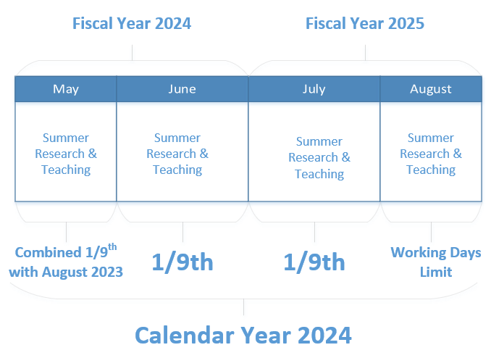
Introduction
This excel worksheet is to be used to accomplish two things:
-measure and track compensation through summer months, including teaching, research and other types.
-track, allocate and summer funding for research activities only
The sheets are best when used in coordination and understanding of the CU Boulder campus policy for summer compensation and the Academic Affairs guidance for best practice (found here: https://www.colorado.edu/academicaffairs/academic-resources). Any questions about the tool itself, can be directed towards the HR Service Center at HRSC@colorado.edu
Guide
General Guidelines:
--All cells intended for editing and entry are highlighted blue
--All other cells are linked to automatically compute and adjust based on the entry made
--The Summer Request Form is based entirely on the data entered on the Compensation Planning Tool and the Funding Distribution sheets. You are able to overwrite the formulas with raw data, but it will break the connection with the other sheets.
--It is the departments responsibility to retain copies of the Request Form.
--The Request Form acts as the "offer letter" and is the legal document by which faculty are paid for their work. It must be accurate and identical to HCM entry information.
--If any salary change this summer (no merit the summer of 2021) is to be applied July and August compensation, another Summer Request Form must be submitted and signed with the updated information.
-- Any of the request forms may be routed through DocuSign for completion
Workflow:
First, note whether the faculty member has an admin appointment and if they do, if they plan to teach this summer. Any faculty members with admin appointments that may teach can use the admin appointment to increase their 1/9th and 3/9th limits by a small amount.
This is found as an HCM page with the following navigation for HCM Users:
- HCM -> "Hamburger" Menu, top right button -> Navigator -> Workforce Administration -
-> CU Workforce Administration -> CU Institutional Based Salary
Faculty members will have a tile on their MyCUInfo Login page to view their own.
If a Faculty member does not have an admin appointment, you do not need to look up the modified IBS. If a Faculty member has an admin appointment but has no plans to teach this summer, you do not need to look up the modified IBS.
A change in salary at any point through an academic year will result in a change of the for 3/9th and 1/9th limits. In order to account for these changes, multiple data inputs are available to adjust limits accordingly. Please be sure to enter the correct salaries for the start of the academic year (August) and for any midyear (January) increases that may have occured in order to have the most accurate result. If the faculty member is also receiving a pay increase in the upcoming academic year, please use the appropriate dropdown to update this information.
For this tool to work as intended, start with inputing data on the “Compensation Planning Tool” to input the compensation totals for 3/9th and 1/9th limit, any teaching contracts and any other summer salary (research, curation, etc.). This sheet will highlight any overages in compensation when compared to 3/9th and 1/9th limits and with the previous calendar year's summer compensation (July & August). There are areas for vacation days to denote any working days not taken. This entry will adjust the monthly allowed limit per summer compensation guidelines but not change compensation taken. This sheet is to be used if a faculty member takes teaching and/or research funding in order to be within limits
If the entry is being made for a faculty member with only teaching summer salary, there is no requirement to finish the funding distribution or summer request form.
This information will feed into both the Summer Request Form, and the Funding Distribution page. If there are any research dollars earned in the summer, please continue to the Funding Distribution Page. This is done by entering the speedtypes (names optional), and the percentage allocation in the corresponding months. These will feed over to the request form as well.
On this funding distribution sheet is also an optional "Budget Tracking" section. This section is to be used if you have specific funding goals for the summer compensation. The goals will search for speedtypes entered in the summer months and speedtypes entered in the "Goals" section. There is a limit to 6 different unique goals to use for this section, but no limit in the funding types.
Continue to fill in the funding distribution for any research salary taken. There will be an option to enter either compensation amount or the perentage of funding. Please do not enter both! Either amount will convert to the Summer Request Form.
After necessary fields are entered on the Compensation Planning and Funding Distribution pages, complete the Summer Request form with employee information and verify the totals have fed correctly from the other pages. Save as PDF or print and sign for completion.
All other documents relevant to the summer compensation (teaching, research, 3/9ths policy, etc.) can be found here:
https://www.colorado.edu/academicaffairs/academic-resources

