MS-DS Degree Requirements
Check | Required Courses | Course Name | Course Type | Specialization | Status | Notes
 | Computer Science Pathway
 | DTSA 5501 | Algorithms for Searching Sorting and Indexing | Pathway Core | Foundations of Data Structures and Algorithms | In Progress
 | DTSA 5502 | Trees and Graphs - Basics | Pathway Core | Foundations of Data Structures and Algorithms | In Progress
 | DTSA 5503 | Dynamic Programming and Greedy Algorithms | Pathway Core | Foundations of Data Structures and Algorithms | In Progress
 | Statistics Pathway
 | DTSA 5001 | Probability Theory - Foundation for Data Science | Pathway Core | Data Science Foundations: Statistical Inference
 | DTSA 5002 | Statistical Inference for Estimation in Data Science | Pathway Core | Data Science Foundations: Statistical Inference
 | DTSA 5003 | Statistical Inference and Hypothesis Testing in Data Science Applications | Pathway Core | Data Science Foundations: Statistical Inference
 | Core
 | DTSA 5301 | Data Science as a Field | Core | Vital Skills for Data Science
 | DTSA 5302 | Cybersecurity for Data Science | Core | Vital Skills for Data Science
 | DTSA 5303 | Ethical Issues in Data Science | Core | Vital Skills for Data Science
 | DTSA 5304 | Fundamentals of Data Visualization | Core | Vital Skills for Data Science
 | DTSA 5504 | Data Mining Pipeline | Core | Data Mining Foundations and Practice
 | DTSA 5505 | Data Mining Methods | Core | Data Mining Foundations and Practice
 | DTSA 5506 | Data Mining Project | Core | Data Mining Foundations and Practice
 | DTSA 5509 | Introduction to Machine Learning - Supervised Learning | Core | Machine Learning
 | DTSA 5510 | Unsupervised Algorithms in Machine Learning | Core | Machine Learning
 | DTSA 5511 | Introduction to Deep Learning | Core | Machine Learning
 | DTSA 5733 | Relational Database Design | Core | Databases for Data Scientists
 | DTSA 5734 | The Structured Query Language (SQL) | Core | Databases for Data Scientists
 | DTSA 5011 | Modern Regression Analysis in R | Core | Statistical Modeling for Data Science Applications
 | DTSA 5012 | ANOVA and Experimental Design | Core | Statistical Modeling for Data Science Applications
 | DTSA 5013 | Generalized Linear Models and Nonparametric Regression | Core | Statistical Modeling for Data Science Applications
 | Electives
 | DTSA Elective |  | Elective
 | DTSA Elective |  | Elective
 | DTSA Elective |  | Elective
 | DTSA/EMEA/CSCA Elective |  | Elective
 | DTSA/EMEA/CSCA Elective |  | Elective
 | DTSA/EMEA/CSCA Elective |  | Elective
 | DTSA/EMEA/CSCA Elective |  | Elective
 | DTSA/EMEA/CSCA Elective |  | Elective
 | DTSA/EMEA/CSCA Elective |  | Elective
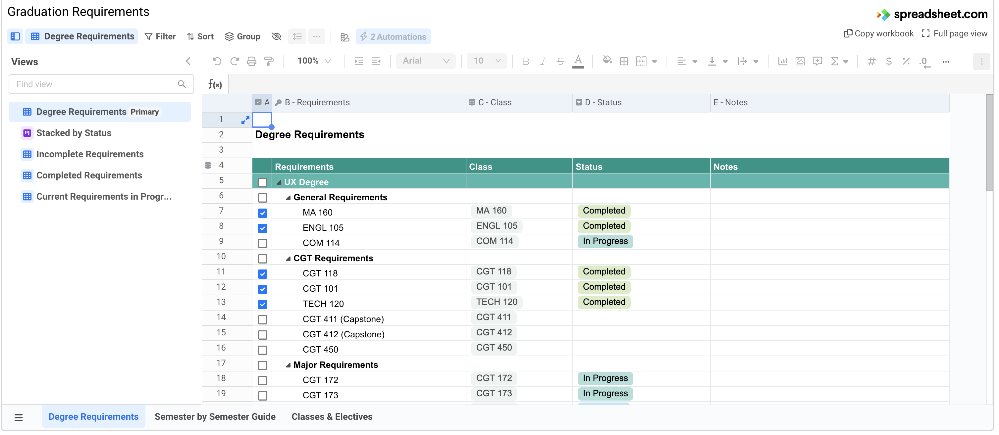

 |  |  |  |  | below values are associated with dropdown option in column F
 |  |  |  |  | Completed
 |  |  |  |  | In Progress

